Sheet1
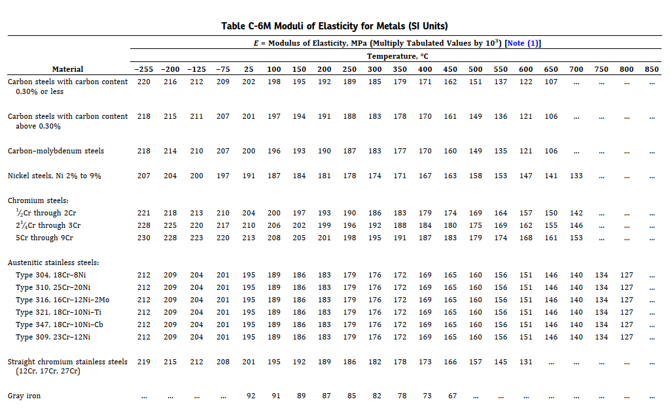
Piping Expansion Loop Calculator
Enter values in Yellow boxes in consistent unit

Enter the Pipe OD, D | 324
Enter the Elasticity Modulus of the Pipe/Pipeline Material at 21 Deg C, E (Table C6/C6M of B31.3) | 202000
Enter the allowable stress value at the maximum temperature from B31.3 code (table A1/A1M), S | 138
Enter the amount of thermal expansion, ∆ (Table C1/C1M from B31.3) | 90

Loop Leg required, L=√(3ED∆/S) | 11315.937203

